Order Form
 |  |  |  | Join our Smart Snacks Fundraising Program-Helping Your Team or School Earn Healthy Profits Towards Your Goals!

 |  |  |  | Nature Knows is committed to provide healthier choices for our active kids, and our busy families too! Simply Fresh Fruit, Delicious and Fun to Eat!

"Fresh Fruit & Vegetables, Washed and Ready To Eat" |  |  |  | Finally a single serve format, washed and ready to eat anytime you need, anywhere you go! All in our Compostable boxes. Good for us and the Earth!
Call 905-612-0085 |  |  |  | All Natural, No Preservatives, Non GMO, Nut Free and Gluten Free. One portion is more than one daily serving of fresh fruit or veggie.
Email: contact@natureknows.ca |  |  |  | BONUS: Any ongoing orders received from family/friends, we will continue to pay your team or school the profits on all orders, all year!

LEGEND:
 | Team Lead Please Complete
 | Parent/Order Contact Please Complete |  |  |  |  | ORDER FORM

School or Fundraiser Name |  |  |  | St Benedict Catholic School |  |  |  | Contact Phone # |  |  |  |  |  | INSERT YOUR SCHOOL LOGO HERE
Contact Name/ Team Lead |  |  |  |  |  |  |  | Email

Parent /Order Contact Full Name
Name of Player Supporting/Affliated |  |  |  |  |  |  |  | Contact Phone #
Date of Order |  |  |  |  |  |  |  | Email

Shipping Address of School or Arena: |  |  |  |  |  |  |  | Shipping Date |  |  |  | Please advise 3 hour window 9-5 Mon to Friday
Name Location |  |  |  |  |  |  |  | (A Minimum one week required after order date)
Contact to Receive |  |  |  |  | Please ensure contact and team members knows delivery date selected to arrange their pick up or delivery
Full Street Address
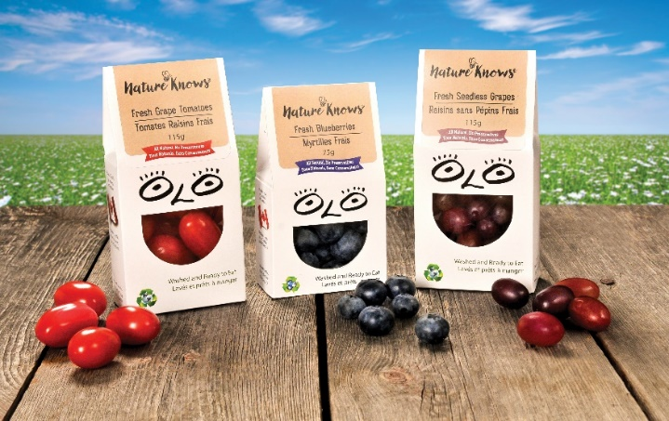
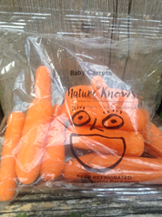
City/Town
Province
Postal Code
Case Quantity |  | Nature Knows Product Description |  |  |  |  | Retail Per Single | Wholesale Price per Case |  | Total Price of Cases

0 |  | Red Seedless Grapes | Family Pack x 12 portions (115g each) |  |  |  | $2.50 | $30.00 |  | $-
0 |  | Blueberries Family Pack x 12 portions (75g each) |  |  |  |  | $3.00 | $36.00 |  | $-
0 |  | New Pouch-Baby Carrots Family Pack x 12 portions (75g each) |  |  |  |  | $2.00 | $24.00 |  | $-
0 |  | Sweet Tomatoes Family Pack x 12 portions (115g) |  |  |  |  | $2.50 | $30.00 |  | $-

 |  |  |  |  |  |  |  |  | Total Order |  | $-
Payment Process Information |  |  |  |  |  |  |  |  |  |  |  |  | Nature Knows is a Proud Member of

Full Name Card |  |  |  |  |  |  |  | Please Indicate Credit Card Type MC/Visa/Amex

 |  |  |  |  | Card Number |  |  |  | Expiry Month/ Year |  | Example 05/2019

 | Please Indicate if paid by Etransfer (Send to awatson@natureknows.ca) |  |  |  |  |  |  |  | Please Indicate if paying Cheque to provide to team lead with your order.
 | Make password "wildcats" |  |  |  |  |  |  |  | Make Cheque Payable to Nature Knows Inc.

NATURE KNOWS is proud to support your players success! We would love to hear your feedback and how your team helped raise their funds. Please send along pictures and stories, we could feature you on our website or FB page. Become a Fan- Check out the links here
 |  |  |  |  |  |  |  | www.natureknow.ca

